Notes
•The images need to come as separate image files.
•You can ask the client to name the image files as you need.
•You can ask the client to change the image format (jpeg/PNG)
•For example, question D1 have 5 Answers(codes 1,2,3,4,5,6,7,8,9 and 10).
•In that case, I will request the client to send me the images with the following naming: D1_R1.Jpg, D1_R2. Jpg, D1_R3. Jpg, and etc.

•How to Replace an Image
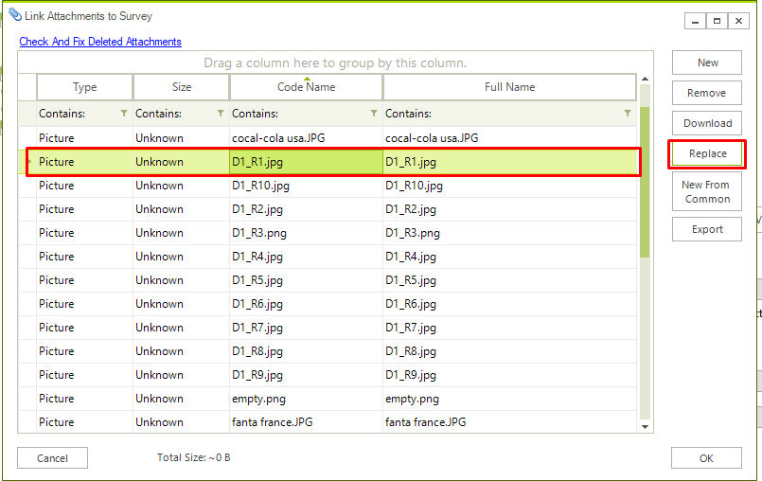

Add an Empty image file to be used for Brands that don't contain any images
// list.AddFromAttachment("empty.png");

